Charts
CHART DATA and CHARTS
Cash Flow
 | Year 1 | Year 2 | Year 3 | Year 4 | Year 5 | Year 6 | Year 7 | Year 8 | Year 9 | Year 10
Cash Flow | (314,600) | 498,156 | 550,990 | 609,515 | 674,352 | 746,191 | 825,798 | 914,026 | 1,011,820 | 1,120,231

Passenger Income
 | Year 1 | Year 2 | Year 3 | Year 4 | Year 5 | Year 6 | Year 7 | Year 8 | Year 9 | Year 10
Baltimore | 136,200 | 147,096 | 158,864 | 171,573 | 185,299 | 200,122 | 216,132 | 233,423 | 252,097 | 272,264
Frederick | 486,000 | 544,320 | 609,638 | 682,795 | 764,730 | 856,498 | 959,278 | 1,074,391 | 1,203,318 | 1,347,716
Eastern Shore | 563,200 | 619,520 | 681,472 | 749,619 | 824,581 | 907,039 | 997,743 | 1,097,517 | 1,207,269 | 1,327,996

Fleet Inventory
Carey Transportation, Inc.
Fleet Inventory and Stats

Fleet Stats |  |  | 11 | <-Tot # Vans

Fleet Stats by Make
 | # Vans | # Pax | Tot Cost
Chevy | 5 | 68 | 115,000
Ford | 4 | 48 | 76,000
Nissan | 2 | 18 | 15,000

Inventory List
Van | # Pax | Mileage | Cost | Curr Value | % Tot Val
Ford | 14 | 55,000 | 20,000 | 12,000 | 6.61%
Chevy | 14 | 250 | 30,000 | 24,000 | 13.22%
Nissan | 6 | 25,000 | na | 15,000 | 8.26%
Ford | 6 | 5,000 | 15,000 | 12,500 | 6.89%
Chevy | 8 | 225,000 | 8,000 | 6,500 | 3.58%
Nissan | 12 | 99,000 | 15,000 | 14,000 | 7.71%
Ford | 14 | 125,000 | 20,000 | 17,500 | 9.64%
Chevy | 14 | 30,000 | 25,000 | 21,000 | 11.57%
Chevy | 16 | 15,500 | 24,000 | 22,000 | 12.12%
Chevy | 16 | 8,500 | 28,000 | 18,000 | 9.92%
Ford | 14 | 12,000 | 21,000 | 19,000 | 10.47%

 |  |  | Tot Curr Value | 181,500 | 100.00%
INSERT NEW ROWS ABOVE THIS ROW.

PvtChart
Row Labels | Sum of Total
Apartments | 81562857.143
Condos | 68781750
Mall | 35775000
Multi-Use | 118241666.67
Office | 114776063.64
Retail | 76950000
Shopping Ctr | 34066428.571
Grand Total | 530153766.02

Solver mfg
Manufacturing Solution |  |  |  |  |  |  |  |  | Picture of Data, Solver menu:
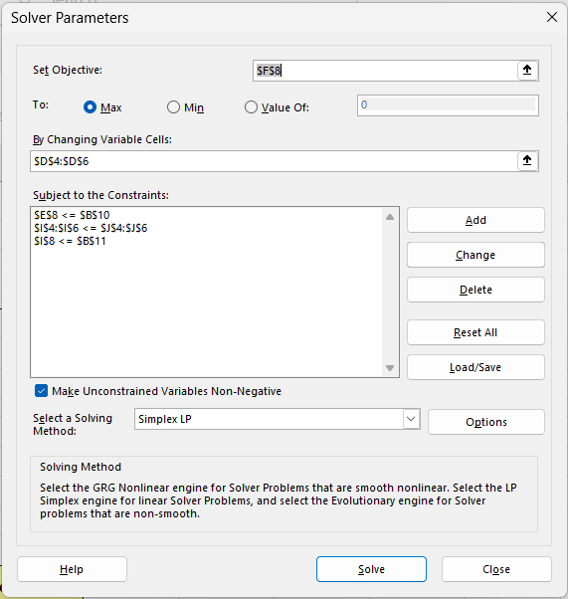
 | Cost | Profit | # to Make | Total Cost | Total Profit | Hrs to Make | Total Hours | Max Hours
chair | 15 | 25 | 10 | 150 | 250 | 1.00 | 10.00 | 75
table | 30 | 55 | 20 | 600 | 1,100 | 2.00 | 40.00 | 40
stool | 5 | 20 | 133 | 667 | 2,667 | 0.75 | 100.00 | 100

 |  | Total | 163 | 1,417 | 4,017 | 3.75 | 150.00

Cash to Invest | 2,000
Available Hours | 150

Solve for # to Make, so use Cost <= Cash, Tot Hrs <= Avail and Max and Maximize Profit

